Request
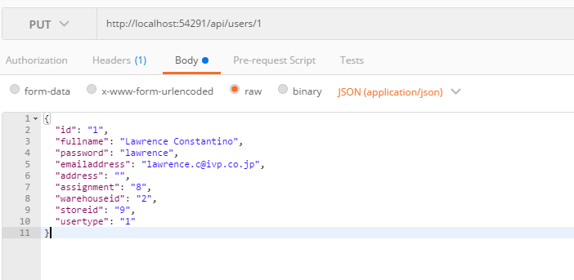
Parameter | Data Type | Length | Required | Unique | Remarks
Token | String |  | Yes |  | Bearer Token see AuthenticateAPI docu
Id | Int |  | Yes | Yes
FullName | String |  | Yes
Password | String |  | Yes
EmailAddress | String
Address | String
ContactNumber | String
UserType | Int |  | Yes |  | 1 = Administrator 2 = User
Assignment | Int |  | Yes |  | 6 = MainOffice 7 = Warehouse 8 = Store
WarehouseId | Int |  | See Remarks |  | If Assignment = 7 it will be required
StoreId | Int |  | See Remarks |  | If Assignment = 8 it will be required

Example

Response
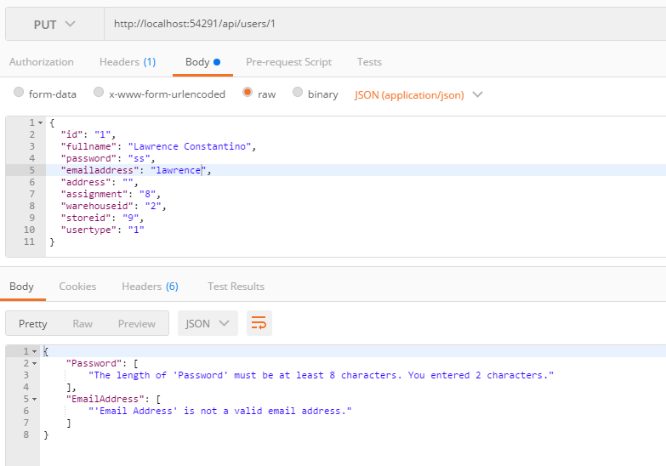
With error

